frequency
Alcohol
wine | 빈도 | 백분율 | 누적 | 누적 |  |  | 테이블:alcohol * wine
 |  |  | 빈도 | 백분율 |  |  |  | wine |  | 합계
0 | 1599 | 24.61 | 1599 | 24.61 |  | red
1 | 4898 | 75.39 | 6497 | 100 |  | white | alcohol | Red wine | White wine | Total
 | 6497 |  |  |  |  |  | 8.00 | 0 | 2 | 2
 |  |  |  |  |  |  | 8.40 | 2 | 3 | 5
 |  |  |  |  |  |  | 8.50 | 1 | 9 | 10
 |  |  |  |  |  |  | 8.60 | 0 | 23 | 23
red_wine |  |  |  |  |  |  | 8.70 | 2 | 78 | 80
quality | Frequency | Percent |  |  |  |  | 8.80 | 2 | 107 | 109
 |  |  |  |  |  |  | 8.90 | 0 | 95 | 95
3 | 10 | 0.63 | 10 | 0.63 | group1 |  | 9.00 | 30 | 185 | 215
4 | 53 | 3.31 | 63 | 3.94 |  |  | 9.05 | 1 | 0 | 1
5 | 681 | 42.59 | 744 | 46.53 |  |  | 9.10 | 23 | 144 | 167
6 | 638 | 39.9 | 1382 | 86.43 | group2 |  | 9.20 | 72 | 199 | 271
7 | 199 | 12.45 | 1581 | 98.87 | group3 |  | 9.23 | 1 | 0 | 1
8 | 18 | 1.13 | 1599 | 100 |  |  | 9.25 | 1 | 0 | 1
white_wine |  |  |  |  |  |  | 9.30 | 59 | 134 | 193
quality | Frequency | Percent | 누적 | 누적 |  |  | 9.40 | 103 | 229 | 332
 |  |  | 빈도 | 백분율 |  |  | 9.50 | 139 | 228 | 367
3 | 20 | 0.41 | 20 | 0.41 | group1 |  | 9.53 | 0 | 3 | 3
4 | 163 | 3.33 | 183 | 3.74 |  |  | 9.55 | 2 | 2 | 4
5 | 1457 | 29.75 | 1640 | 33.48 |  |  | 9.57 | 1 | 0 | 1
6 | 2198 | 44.88 | 3838 | 78.36 | group2 |  | 9.60 | 59 | 128 | 187
7 | 880 | 17.97 | 4718 | 96.33 | group3 |  | 9.63 | 0 | 1 | 1
8 | 175 | 3.57 | 4893 | 99.9 |  |  | 9.70 | 54 | 105 | 159
9 | 5 | 0.1 | 4898 | 100 |  |  | 9.73 | 0 | 2 | 2
 |  |  |  |  |  |  | 9.75 | 0 | 1 | 1
 |  |  |  |  |  |  | 9.80 | 78 | 136 | 214
QUALITYGROUP | WHITE | Percent | RED | Percent |  |  | 9.90 | 49 | 109 | 158
 |  |  |  |  |  |  | 9.95 | 1 | 0 | 1
GROUP1 | 744 | 46.53 | 1640 | 33.48 |  |  | 10.00 | 67 | 162 | 229
GROUP2 | 638 | 39.9 | 2198 | 44.88 |  |  | 10.03 | 2 | 1 | 3
GROUP3 | 217 | 13.57 | 1060 | 21.64 |  |  | 10.10 | 47 | 114 | 161
 |  |  |  |  |  |  | 10.13 | 0 | 2 | 2
 |  |  |  |  |  |  | 10.15 | 0 | 3 | 3
WHITE QUALITY GROUP | FREQUENCY | Percent | 누적 | 누적 |  |  | 10.20 | 46 | 130 | 176
 |  |  | 빈도 | 백분율 |  |  | 10.30 | 33 | 85 | 118
GROUP1 | 744 | 46.53 | 744 | 46.53 |  |  | 10.40 | 41 | 153 | 194
GROUP2 | 638 | 39.9 | 1382 | 86.43 |  |  | 10.47 | 0 | 2 | 2
GROUP3 | 217 | 13.57 | 1599 | 100 |  |  | 10.50 | 67 | 160 | 227
 |  |  |  |  |  |  | 10.53 | 0 | 1 | 1
RED QUALITY GROUP | FREQUENCY | Percent | 누적 | 누적 |  |  | 10.55 | 2 | 2 | 4
 |  |  | 빈도 | 백분율 |  |  | 10.57 | 0 | 1 | 1
GROUP1 | 1640 | 33.48 | 1640 | 33.48 |  |  | 10.60 | 28 | 114 | 142
GROUP2 | 2198 | 44.88 | 3838 | 78.36 |  |  | 10.65 | 0 | 1 | 1
GROUP3 | 1060 | 21.64 | 4898 | 100 |  |  | 10.70 | 27 | 96 | 123
 |  |  |  |  |  |  | 10.75 | 1 | 0 | 1
 |  |  |  |  |  |  | 10.80 | 42 | 135 | 177
 |  |  |  |  |  |  | 10.90 | 49 | 88 | 137
 |  |  |  |  |  |  | 10.93 | 0 | 2 | 2
 |  |  |  |  |  |  | 10.97 | 0 | 3 | 3
 |  |  |  |  |  |  | 10.98 | 0 | 1 | 1
 |  |  |  |  |  |  | 11.00 | 59 | 158 | 217
 |  |  |  |  |  |  | 11.05 | 0 | 2 | 2
 |  |  |  |  |  |  | 11.07 | 1 | 1 | 2
 |  |  |  |  |  |  | 11.10 | 27 | 83 | 110
 |  |  |  |  |  |  | 11.20 | 36 | 112 | 148
 |  |  |  |  |  |  | 11.27 | 0 | 1 | 1
 |  |  |  |  |  |  | 11.30 | 32 | 101 | 133
 |  |  |  |  |  |  | 11.33 | 0 | 3 | 3
 |  |  |  |  |  |  | 11.35 | 0 | 1 | 1
 |  |  |  |  |  |  | 11.37 | 0 | 1 | 1
 |  |  |  |  |  |  | 11.40 | 32 | 121 | 153
 |  |  |  |  |  |  | 11.43 | 0 | 1 | 1
quality | Percent |  |  |  |  |  | 11.45 | 0 | 4 | 4
Wine Quality Group Frequency Percent
 |  |  |  |  |  |  | 11.47 | 0 | 1 | 1
3 | 0.41 |  |  |  |  |  | 11.50 | 30 | 88 | 118
4 | 3.33 |  |  |  |  |  | 11.55 | 0 | 1 | 1
5 | 29.75 |  |  |  |  |  | 11.60 | 15 | 46 | 61
6 | 44.88 |  |  |  |  |  | 11.63 | 0 | 2 | 2
7 | 17.97 |  |  |  |  |  | 11.65 | 0 | 1 | 1
8 | 3.57 |  |  |  |  |  | 11.70 | 23 | 58 | 81
9 | 0.1 |  |  |  |  |  | 11.73 | 0 | 1 | 1
 |  |  |  |  |  |  | 11.75 | 0 | 2 | 2
Red Wine Quality 3 | 0.63 |  |  |  |  |  | 11.80 | 29 | 60 | 89
Red Wine Quality 4 | 3.31 |  |  |  |  |  | 11.85 | 0 | 1 | 1
Red Wine Quality 5 | 42.59 |  |  |  |  |  | 11.90 | 20 | 53 | 73
Red Wine Quality 6 | 39.9 |  |  |  |  |  | 11.94 | 0 | 2 | 2
Red Wine Quality 7 | 12.45 |  |  |  |  |  | 11.95 | 1 | 1 | 2
Red Wine Quality 8 | 1.13 |  |  |  |  |  | 12.00 | 21 | 102 | 123
 |  |  |  |  |  |  | 12.05 | 0 | 1 | 1
 |  |  |  |  |  |  | 12.07 | 0 | 1 | 1
>>>데이터의 분균형으로 인해, 3개의 범주로 그룹을 지정 |  |  |  |  |  |  | 12.10 | 13 | 51 | 64
 |  |  |  |  |  |  | 12.15 | 0 | 2 | 2
Wine Quality Group Frequency Percent
 | Percent
하 (3~5) | 46.53
중 (6) | 39.9
상 (7~9) | 13.57
Red Wine GROUP1 | 33.48
Red Wine GROUP2 | 44.88
Red Wine GROUP3 | 21.64
 |  |  |  |  |  |  | 12.20 | 12 | 86 | 98
QUALITY GROUP | Percent |  |  |  |  |  | 12.25 | 0 | 1 | 1
 |  |  |  |  |  |  | 12.30 | 12 | 62 | 74
하 (3~5) | 46.53 |  |  |  |  |  | 12.33 | 0 | 1 | 1
중 (6) | 39.9 |  |  |  |  |  | 12.40 | 13 | 68 | 81
상 (7~9) | 13.57 |  |  |  |  |  | 12.50 | 21 | 83 | 104
 |  |  |  |  |  |  | 12.60 | 6 | 63 | 69
Red Wine GROUP1 | 33.48 |  |  |  |  |  | 12.70 | 9 | 56 | 65
Red Wine GROUP2 | 44.88 |  |  |  |  |  | 12.75 | 0 | 3 | 3
Red Wine GROUP3 | 21.64 |  |  |  |  |  | 12.80 | 17 | 54 | 71
 |  |  |  |  |  |  | 12.89 | 0 | 2 | 2
 |  |  |  |  |  |  | 12.90 | 9 | 39 | 48
 |  |  |  |  |  |  | 13.00 | 6 | 36 | 42
 |  |  |  |  |  |  | 13.05 | 0 | 1 | 1
 |  |  |  |  |  |  | 13.10 | 2 | 18 | 20
Wine Quality Group Frequency Percent (Ordinal)
 |  |  |  |  |  |  | 13.13 | 0 | 1 | 1
 |  |  |  |  |  |  | 13.20 | 1 | 14 | 15
 |  |  |  |  |  |  | 13.30 | 3 | 7 | 10
 |  |  |  |  |  |  | 13.40 | 3 | 20 | 23
 |  |  |  |  |  |  | 13.50 | 1 | 12 | 13
 |  |  |  |  |  |  | 13.55 | 0 | 1 | 1
 |  |  |  |  |  |  | 13.57 | 1 | 0 | 1
 |  |  |  |  |  |  | 13.60 | 4 | 9 | 13
 |  |  |  |  |  |  | 13.70 | 0 | 7 | 7
 |  |  |  |  |  |  | 13.80 | 0 | 2 | 2
 |  |  |  |  |  |  | 13.90 | 0 | 3 | 3
 |  |  |  |  |  |  | 14.00 | 7 | 5 | 12
 |  |  |  |  |  |  | 14.05 | 0 | 1 | 1
 |  |  |  |  |  |  | 14.20 | 0 | 1 | 1
 |  |  |  |  |  |  | 14.90 | 1 | 0 | 1
와인 품질에 따른 분율
 | Percent
quality | 0
3 | 0.41
4 | 3.33
5 | 29.75
6 | 44.88
7 | 17.97
8 | 3.57
9 | 0.1
 |  |  |  |  |  |  |  | 1599 | 4898 | 6497
 |  |  |  |  |  |  | 합계

통합된 와인 품질에 따른 분율
 | Percent
하 (3~5) | 46.53
중 (6) | 39.9
상 (7~9) | 13.57

decision tree
redwine<-read.table('C:/Users/USER/Documents/Naver(정&현)/Analysis of Wine Quality Data/REDWINE_CLASS.txt', header = T, sep = ',')
attach(redwine)
whitewine<-read.table('C:/Users/USER/Documents/Naver(정&현)/Analysis of Wine Quality Data/WHITEWINE_CLASS.txt', header = T, sep = ',')
attach(whitewine)

#1.Decision Tree
install.packages("tree")
library(tree)

#confusion matrix
install.packages("caret")
library(caret)

(1)red wine tree형성 |  | (1)white wine tree형성
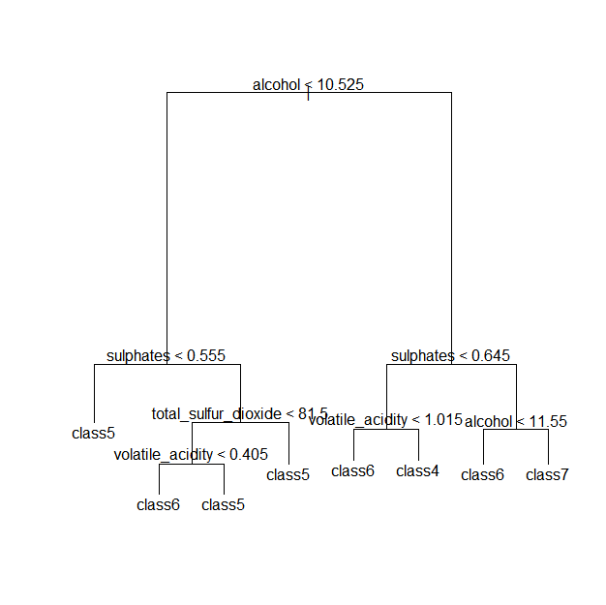
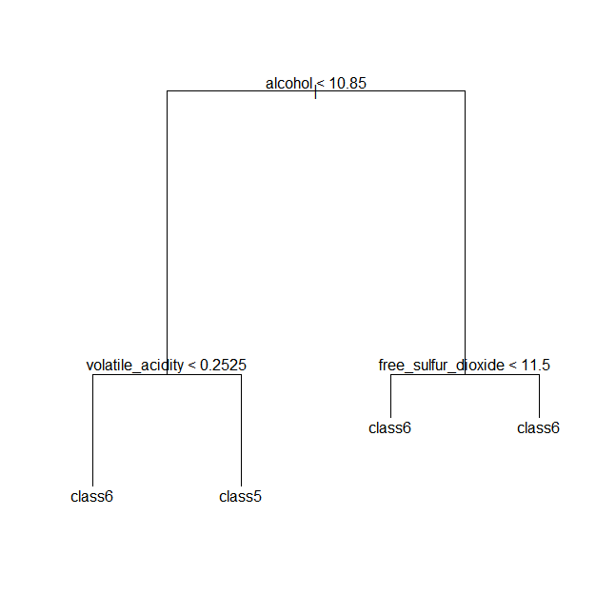

treered<-tree(quality~.,data=redwine) | treewhite<-tree(quality~.,data=whitewine)
plot(treered) | plot(treewhite)
text(treered) | text(treewhite)

(2)최적터미널 노드의 수 | (2)최적터미널 노드의 수
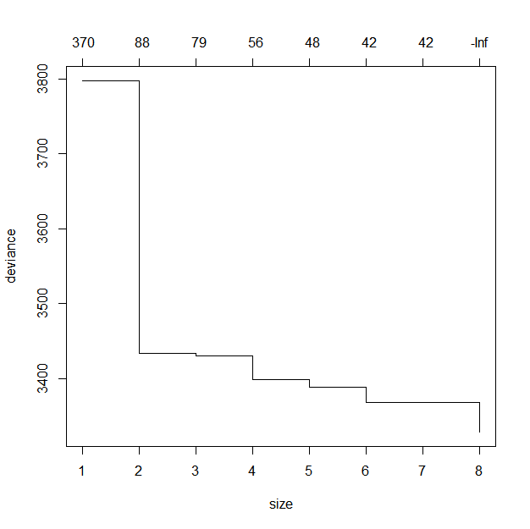
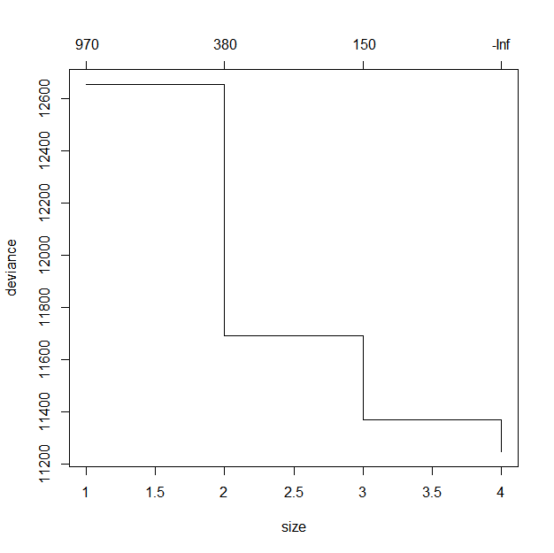

cv.trred<-cv.tree(treered) | cv.trwhite<-cv.tree(treewhite)
cv.trred | cv.trwhite
plot(cv.trred) | plot(cv.trwhite)

>>> | >>>
$`size` | $`size`
[1] 8 7 6 5 4 3 2 1 | [1] 4 3 2 1

$dev | $dev
[1] 3328.545 3368.563 3368.563 3388.301 3398.560 3430.235 3433.447 3797.426 | [1] 11248.95 11372.02 11691.69 12656.14

$k | $k
[1] -Inf 41.57807 41.85383 47.51546 56.43853 79.20129 88.31463 | [1] -Inf 146.7017 383.4447 973.2925
[8] 373.73953
 | $method
$method | [1] "deviance"
[1] "deviance"
 | attr(,"class")
attr(,"class") | [1] "prune" "tree.sequence"
[1] "prune" "tree.sequence"

Reference
Prediction class3 class4 class5 class6 class7 class8
class3 0 0 0 0 0 0
class4 2 0 1 0 0 0
class5 2 16 180 83 9 0
class6 0 5 47 103 30 1
class7 0 0 0 26 24 4
class8 0 0 0 0 0 0

Overall Statistics

Accuracy : 0.576
95% CI : (0.5328, 0.6184)
No Information Rate : 0.4278
P-Value [Acc > NIR] : 4.384e-12

Kappa : 0.312
Mcnemar's Test P-Value : NA

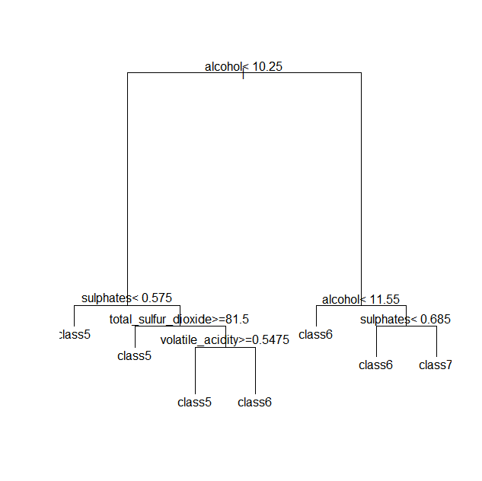

Confusion Matrix and Statistics

Reference
Prediction class3 class4 class5 class6 class7 class8
class3 0 0 0 0 0 0
class4 0 0 0 0 0 0
class5 1 12 150 45 3 0
class6 3 9 78 149 36 1
class7 0 0 0 18 24 4
class8 0 0 0 0 0 0

Overall Statistics

Accuracy : 0.606
95% CI : (0.5631, 0.6477)
No Information Rate : 0.4278
P-Value [Acc > NIR] : < 2.2e-16

나무모형
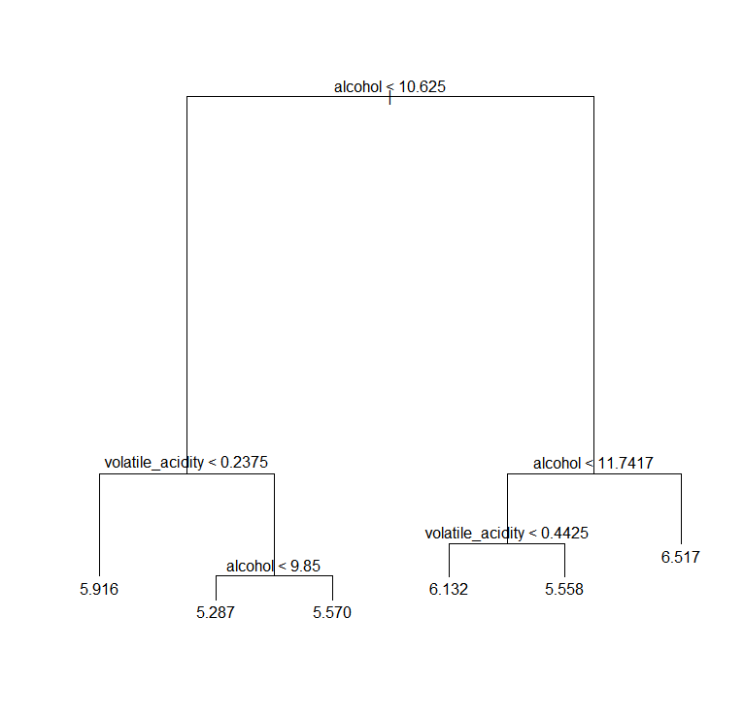

Boxplot
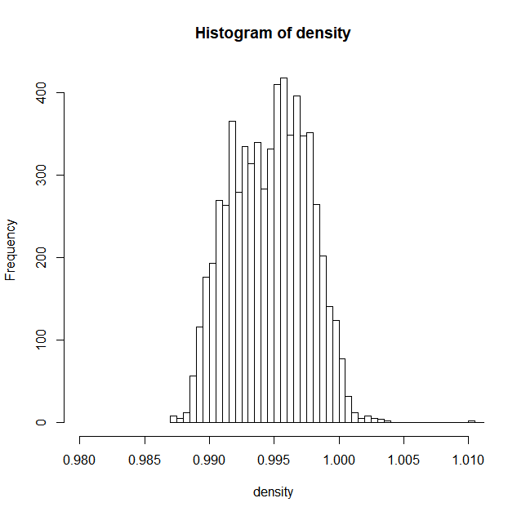
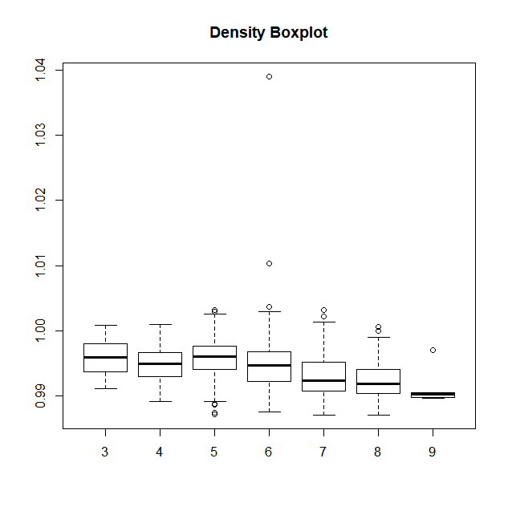

Sheet7
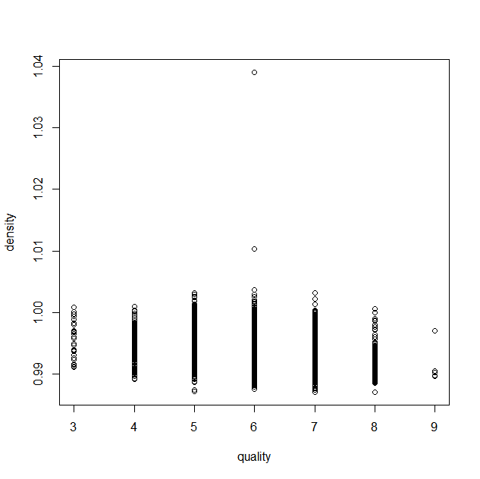

histogram
